1.1 High Perf. Guidelines
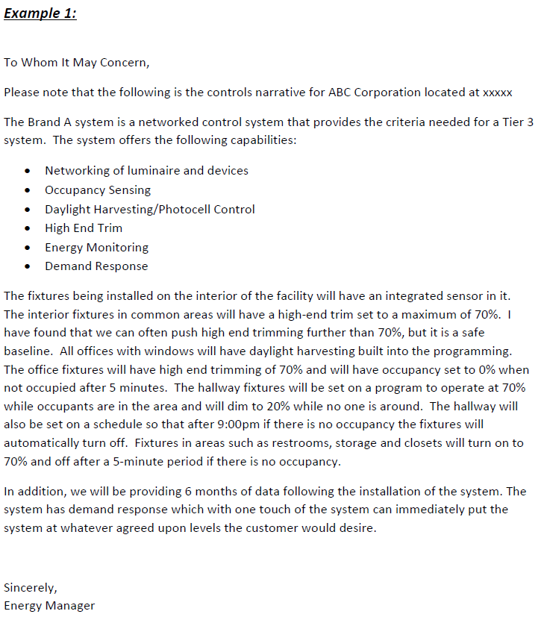
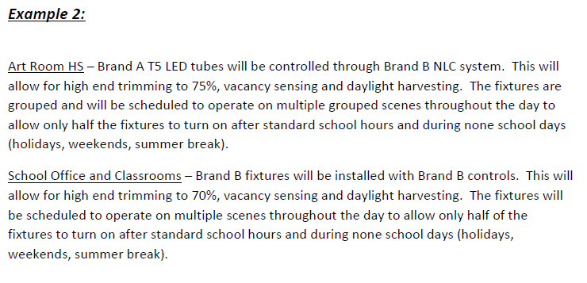
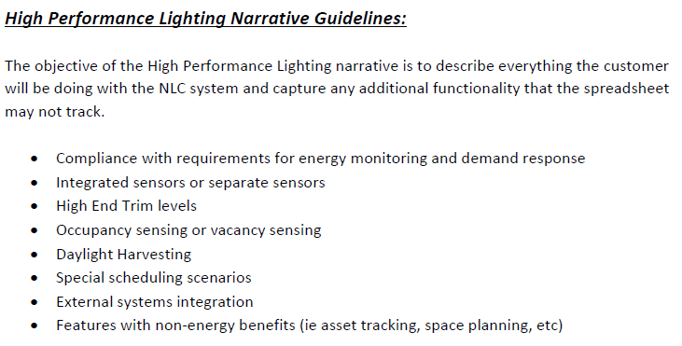
Click to go back to the Interior Lighting & NLC

6- Air Source Heat Pumps
Click to go back to the summary tab | Air Source Heat Pumps (non VRF/VRV)
 | Participant must obtain conditional approval from the Utilities prior to the purchase or installation of any energy efficiency measures to be eligible to receive efficiency incentives. The following are required for ALL measures: (1) Proposal to customer (2) ALL specification sheets and supporting documents. (3) Data fields (in yellow) on applicable tabs MUST BE FILLED IN (4) AHRI rating sheet (example on right) is required for each proposed unit, and must be submitted with this form
 |  |  |  |  |  |  |  |  |  |  |  |  | *** An AHRI rating sheet is required for each proposed unit, and must be submitted with this form
 | Incentives
 |  |  |  | Standard Efficiency Tier 1 |  |  | Standard Efficiency Tier 2 |  |  | IECC Additional Efficiency Option
 | Size |  | Type | Minimum Qualifying Ratings (based on AHRI) |  | Incentive | Minimum Qualifying Ratings (based on AHRI) |  | Incentive | Minimum Qualifying Ratings (based on AHRI) |  | Incentive | AHRI rating certification: | www.ahridirectory.org
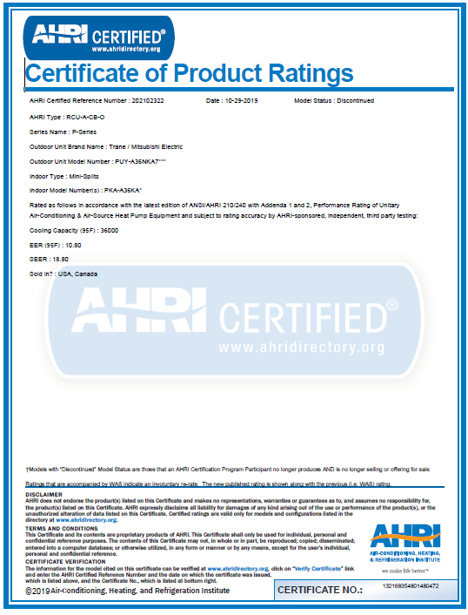
 | Nominal Tons | MBTU/Hr |  | EER/IEER | COP/HSPF | $/Ton | EER/IEER | COP/HSPF | $/Ton | SEER/EER | COP/HSPF | $/Ton
 | < 5.4 | < 65 | Ductless Single-Zone | 18 | 10 | $250 | 22 | 10.0 | $500 | 18 | 10.0 | $250
 |  |  | Ductless or Ducted Multi-Zone | 16 | 9.5 | $250 | 20 | 10.0 | $500 | 16 | 9.5 | $250
 |  |  | Centrally-Ducted | 16 | 9.5 | $250 | 20 | 10.0 | $500 | 16 | 9.5 | $250
 | ≥ 5.4 to < 11.25 | ≥ 65 to < 135 | All | 11.8/13.6 | 3.4 | $250 | 11.8/18.0 | 3.4 | $500 | 13 | 3.4 | $250
 | ≥ 11.25 to < 20 | ≥135 to <240 | All | 10.9/12.8 | 3.3 | $250 | 10.9/17.0 | 3.3 | $500 | 12.8 | 3.2 | $250
 | ≥ 20 to ≤ 30 | ≥ 240 to ≤ 375 | All | 10.3/11.8 | 3.3 | $250 | 10.3/12.0 | 3.3 | $500 | 12.8 | 3.2 | $250

 | *INCLUDE THE AHRI RATING FORM FOR EACH UNIT WHEN YOU SUBMIT THIS FORM*

 | Air Source Heat Pumps (non VRV/ VRF) Units Proposed
 | Unit ID | Indoor Unit Type | Quantity | Manufacturer / Full Model number |  | AHRI Cooling Capacity (Btu/hr) | AHRI Heating Capacity at 47°F (Btu/hr) | AHRI Heating Capacity at 17°F (Btu/hr) | Equipment Type if Cooling Capacity <65,000 Btu/hr | Installed EER (Use SEER under 65,000 btu/h) | Installed COP (Use HSPF under 65,000 btu/h)
 | EXAMPLE: ASHP-1 | Ducted | 1 | XYZ COMPANY / MODEL XYZ123 |  | 67 | 12 | 70 | Ductless Single Zone | 1234567 | 1234567

 | Notes: See Energy Recovery tab for DOAS systems with energy recovery not required by code.

 | Provide any additional information relevant to this project.

10- Chillers
Click to go back to the Project Summary tab | Chillers
Participant must obtain conditional approval from the Utilities prior to the purchase or installation of any energy efficiency measures to be eligible to receive efficiency incentives. The following are required for ALL measures: (1) Proposal to customer (2) ALL specification sheets and supporting documents. (3) Data fields (in yellow) on applicable tabs MUST BE FILLED IN

PROVIDE SUBMITTALS WITH THE FULL LOAD EER/KW PER TON, IPLV AND PART LOAD RATINGS FOR 25%, 50%, 75%, AND 100% LOAD AT AHRI IPLV CONDITIONS (NOT DESIGN CONDITIONS)

Incentives
Lesser of: Electric Incentive: greater of $0.40/kWh OR $1,000.00/summer peak kW 95% of Incremental Cost for New Construction/ Major Renovation, 75% of Incremental Cost for New Equipment or Replacement Equipment
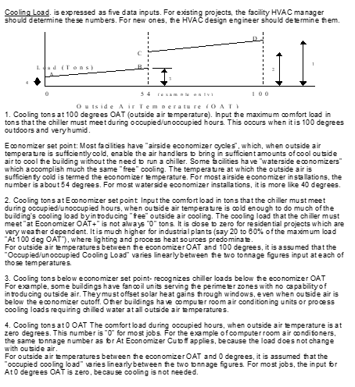
Months included (input 0 if month not included in analysis and 1 if it is)
 | January | February | March | April | May | June
Months
 | July | August | September | October | November | December

Occupied Hours | Weekday | Weekend
Midnight to 8am |  |  | Input occupied hours for time periods shown.
8am to 4pm |  |  | Input occupied hours for time periods shown.
4pm to Midnight |  |  | Input occupied hours for time periods shown.
Cooling Load Information
 |  | Occupied Hours |  | Unoccupied Hours
Cooling tons at 100° OAT
Economizer set point
Cooling tons at economizer set point
Cooling tons below cooling set point
Cooling tons at 0° OAT
Chiller Plant Information (ARI 550/590 - 98)
 |  | Chiller 1 | Chiller 2 | Chiller 3 | Chiller 4
Manufacturer & Model #
Design criteria (path A or B)
ARI rated capacity (tons)
Air or water cooled
Electric or gas driven
Refrigerant type
Compressor type
Secondary water pump BHp
ARI chiller efficiency at 100% load
ARI chiller efficiency at 75% load
ARI chiller efficiency at 50% load
ARI chiller efficiency at 25% load
Auxiliaries Information
 |  | Chiller 1 | Chiller 2 | Chiller 3 | Chiller 4
Secondary CHWP - single speed or VFD
Primary chilled water pump BHp
Condensor water pump BHp
Tower fan BHp
Tower fan - 1 speed / 2 speed / VFD
Other (kW)

Provide any additional information relevant to this project.

